Bugs
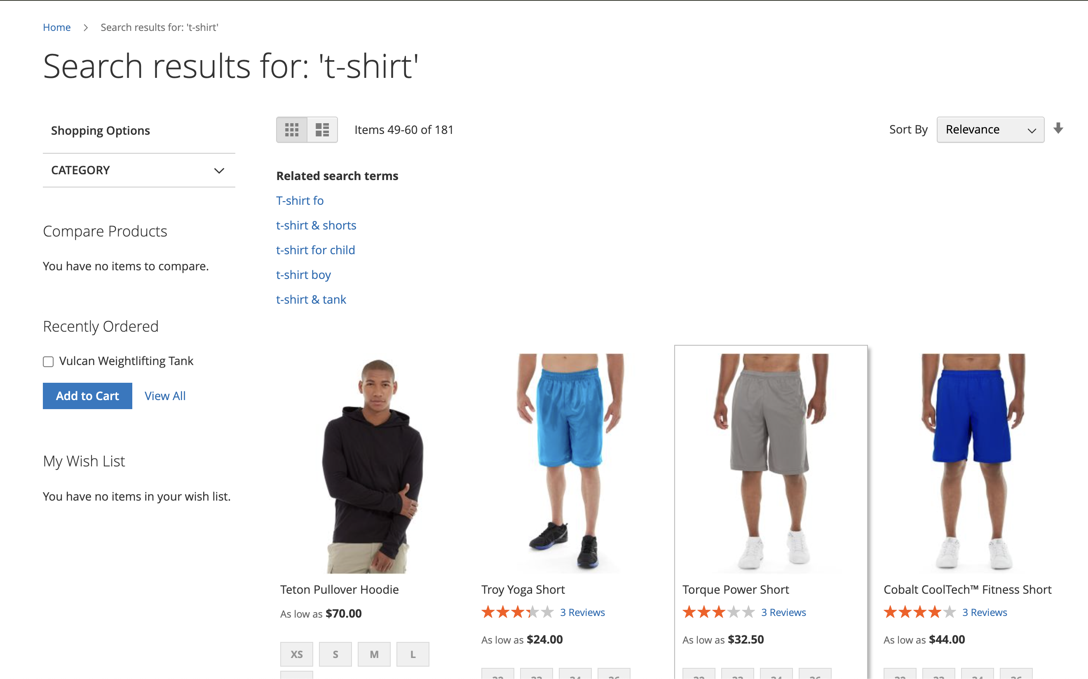
Category | Label | Value
Bug ID | ID number | #1
 | Name | User is not able to login with valid data
 | Reporter | Sanela Mesic
 | Submit Date | 08.06.2025.
Bug overview | Summary | There is an error message "Invalid form key" when user enter valid credentials and click on Sign in button
 | URL | https://magento.softwaretestingboard.com/
 | Screenshot | see the image below
Environment | Operating System | Mac OS 14.4 (23E214)
 | Browser | Chrome
Bug details | Steps to reproduce | 1. Navigate to https://magento.softwaretestingboard.com/ 2. Click "Sign In" button in upper right corner 3. Insert valid e-mail address from prerequisites column 4. Insert valid password from prerequisites column 5. Click on the button 'Sign In'
 | Expected result | User should be successfully logged
 | Actual result | There is an error message "Invalid form key" when user enter valid credentials and click on Sign in button
Bug tracking | Status | Open
 | Assigned to | /
 | Priority | High
Notes | Notes | Test fails in steps 5

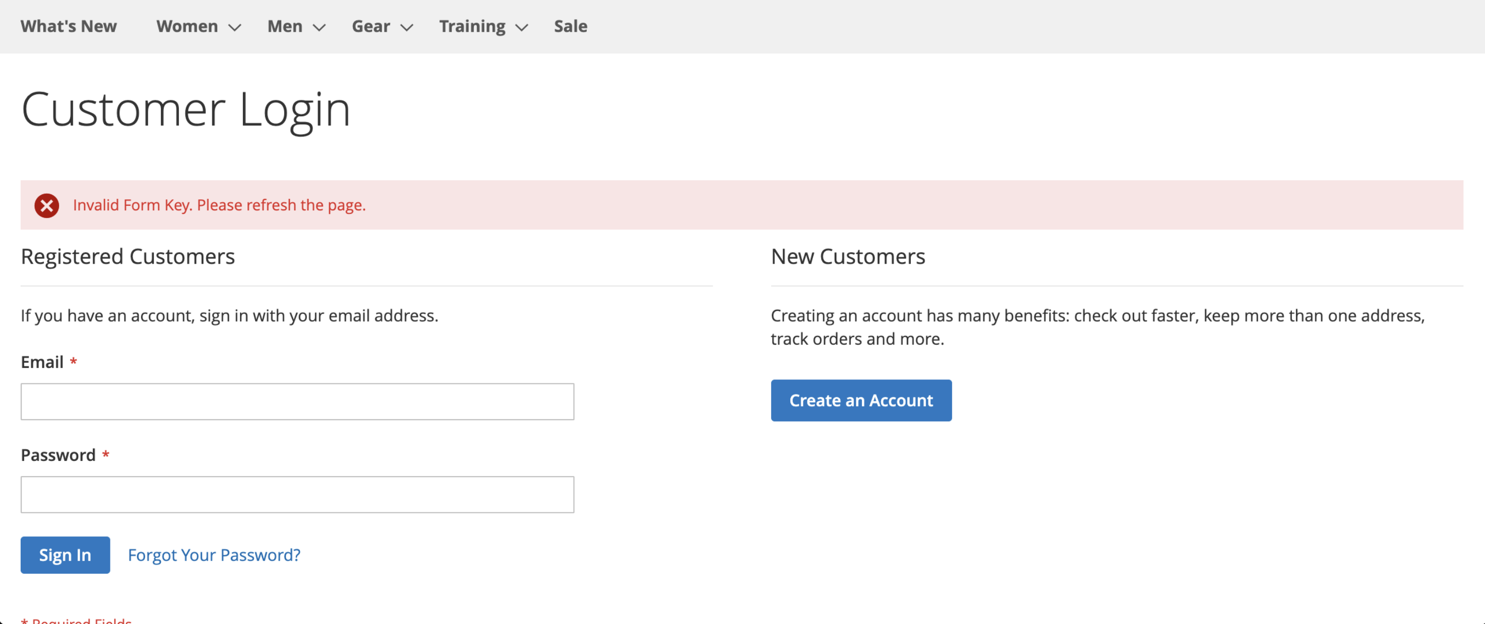

Category | Label | Value
Bug ID | ID number | #2
 | Name | When searching for t-shirt we got pants, hoodies in result in higher page result
 | Reporter | Sanela Mesic
 | Submit Date | 08.06.2025.
Bug overview | Summary | When searching for t-shirt we got pants, hoodies in result in higher page result. There should be only t-shirt in returned results.
 | URL | https://magento.softwaretestingboard.com/
 | Screenshot | see the image below
Environment | Operating System | Mac OS 14.4 (23E214)
 | Browser | Chrome
Bug details | Steps to reproduce | 1. Navigate to https://magento.softwaretestingboard.com/ 2. Click "Sign In" button in upper right corner 3. Insert valid e-mail address from prerequisites column 4. Insert valid password from prerequisites column 5. Click on the button 'Sign In' 6. Navigate to search input field in upper right corner and insert item name from prerequisites 7. Click Enter on keybard 8. Verify that on first result page there are only t-shirts (for men and women) 9. Navigate to other page results (second, third, fourth, …) and verify there are only t-shirts (for men and women)
 | Expected result | There should be only t-shirts if we search by that item.
 | Actual result | On page 4, there is "Troy Yoga Short" that by image is shorts actually; on page 5 there is more shorts and pants listed in result
Bug tracking | Status | Open
 | Assigned to | /
 | Priority | High
Notes | Notes | Test fails in steps 8

